Member Calculations
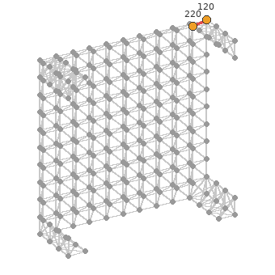
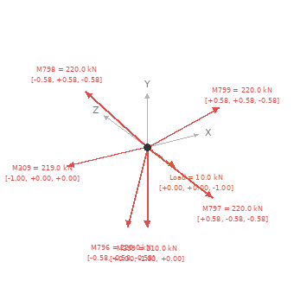
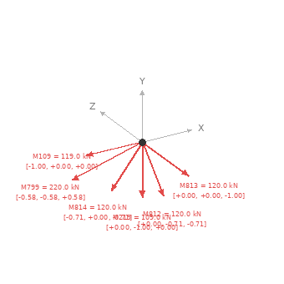
STEREO STRUCTURE CALCULATOR — MEMBER CALCULATIONS (location + force vectors)
Left: member location in the structure. Middle/Right: free-body diagram at each end node (every member, load and reaction converging there).

Member 223 (Node 124 → Node 125) L=3.000 m N=+124.00 kN [Tension]
Location in structure | End A — Node 124 | End B — Node 125
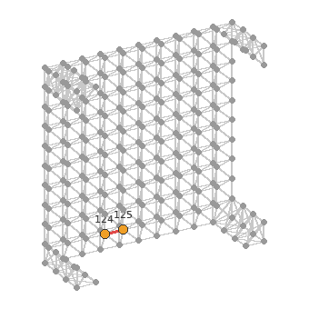
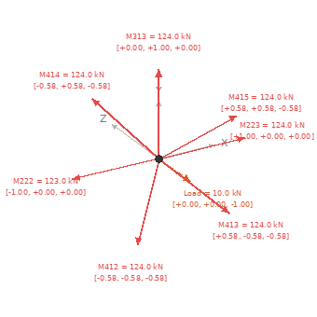
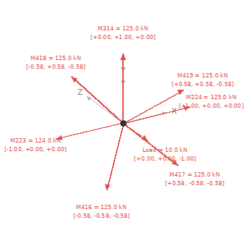

Member 224 (Node 125 → Node 126) L=3.000 m N=+125.00 kN [Tension]
Location in structure | End A — Node 125 | End B — Node 126
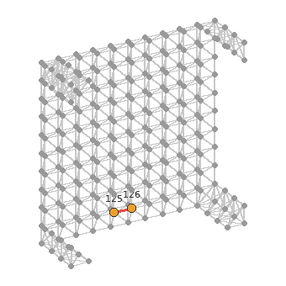
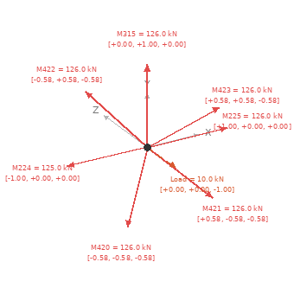

Member 225 (Node 126 → Node 127) L=3.000 m N=+126.00 kN [Tension]
Location in structure | End A — Node 126 | End B — Node 127
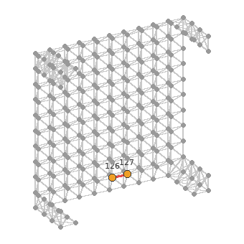
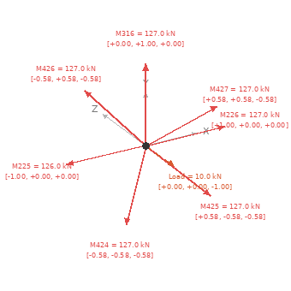

Member 233 (Node 135 → Node 136) L=3.000 m N=+135.00 kN [Tension]
Location in structure | End A — Node 135 | End B — Node 136
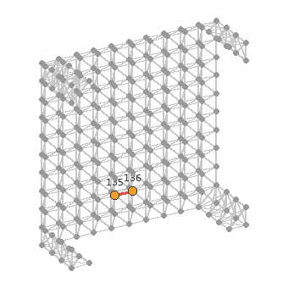
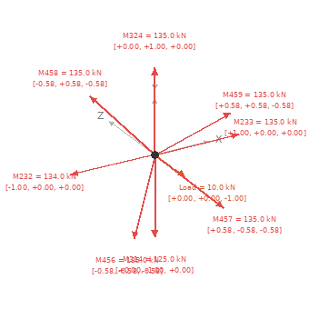


Member 296 (Node 205 → Node 206) L=3.000 m N=+205.00 kN [Tension]
Location in structure | End A — Node 205 | End B — Node 206
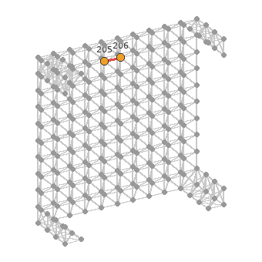
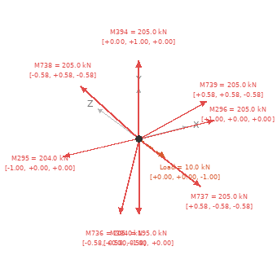


Member 304 (Node 214 → Node 215) L=3.000 m N=+214.00 kN [Tension]
Location in structure | End A — Node 214 | End B — Node 215
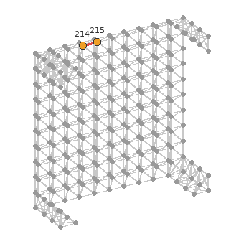
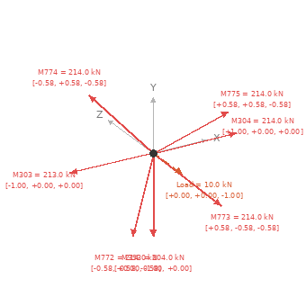
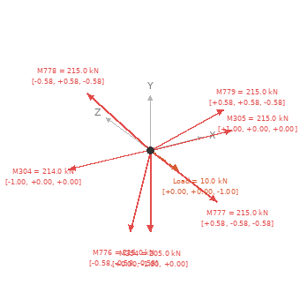

Member 305 (Node 215 → Node 216) L=3.000 m N=+215.00 kN [Tension]
Location in structure | End A — Node 215 | End B — Node 216
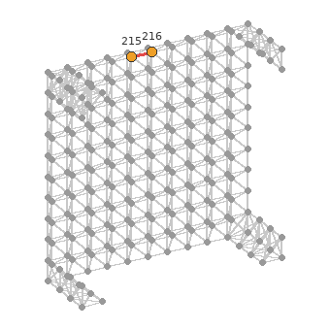
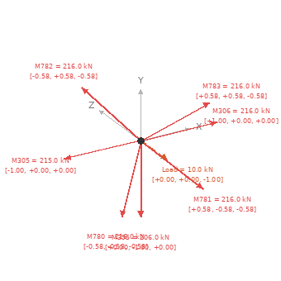

Member 306 (Node 216 → Node 217) L=3.000 m N=+216.00 kN [Tension]
Location in structure | End A — Node 216 | End B — Node 217
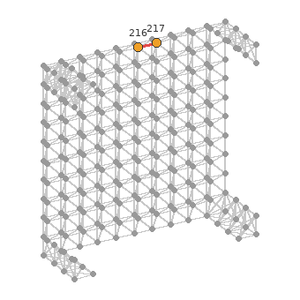


Member 340 (Node 151 → Node 161) L=3.000 m N=+151.00 kN [Tension]
Location in structure | End A — Node 151 | End B — Node 161
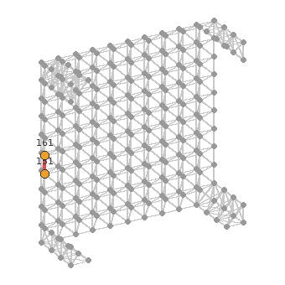
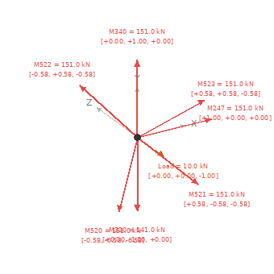
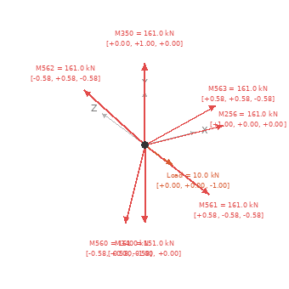

Member 349 (Node 160 → Node 170) L=3.000 m N=+160.00 kN [Tension]
Location in structure | End A — Node 160 | End B — Node 170
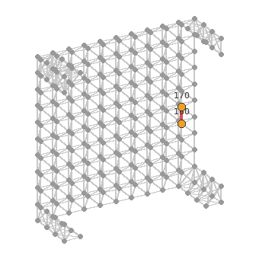
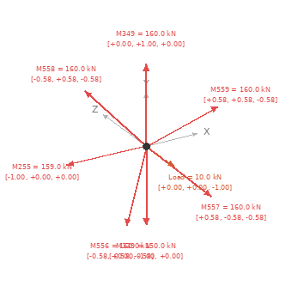


Member 350 (Node 161 → Node 171) L=3.000 m N=+161.00 kN [Tension]
Location in structure | End A — Node 161 | End B — Node 171
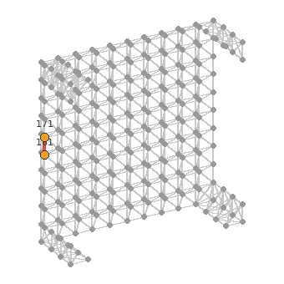


Member 351 (Node 162 → Node 172) L=3.000 m N=+162.00 kN [Tension]
Location in structure | End A — Node 162 | End B — Node 172
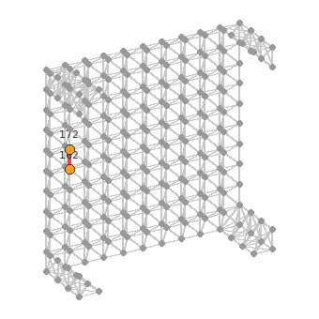
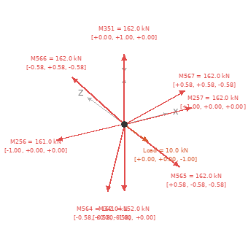


Member 358 (Node 169 → Node 179) L=3.000 m N=+169.00 kN [Tension]
Location in structure | End A — Node 169 | End B — Node 179
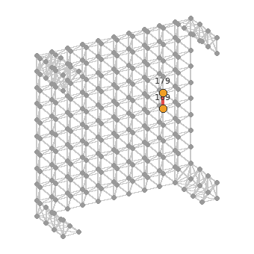



Member 359 (Node 170 → Node 180) L=3.000 m N=+170.00 kN [Tension]
Location in structure | End A — Node 170 | End B — Node 180
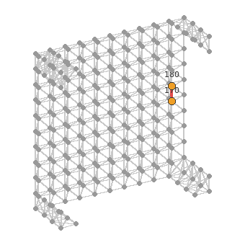


Member 360 (Node 171 → Node 181) L=3.000 m N=+171.00 kN [Tension]
Location in structure | End A — Node 171 | End B — Node 181
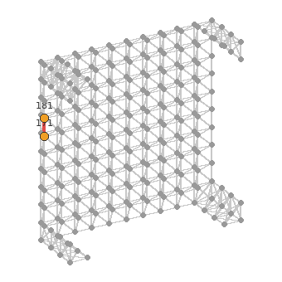
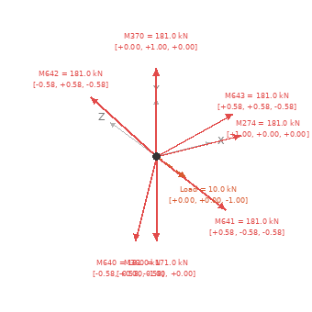

Member 369 (Node 180 → Node 190) L=3.000 m N=+180.00 kN [Tension]
Location in structure | End A — Node 180 | End B — Node 190
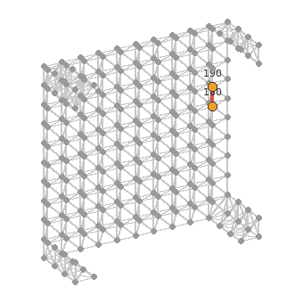
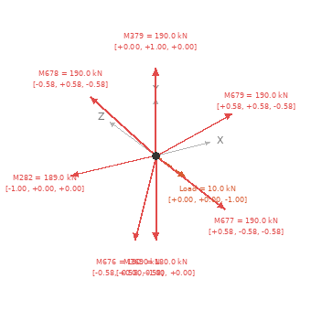

Member 400 (Node 121 → Node 0) L=2.598 m N=+121.00 kN [Tension]
Location in structure | End A — Node 121 | End B — Node 0
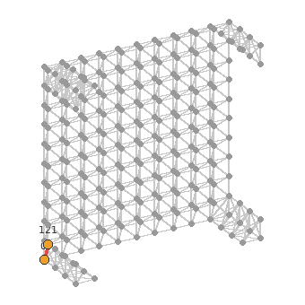
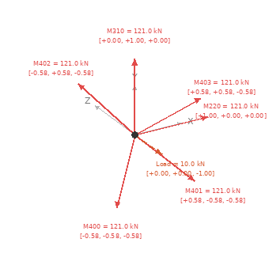
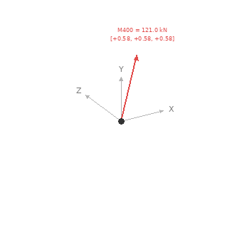

Member 437 (Node 130 → Node 10) L=2.598 m N=+130.00 kN [Tension]
Location in structure | End A — Node 130 | End B — Node 10
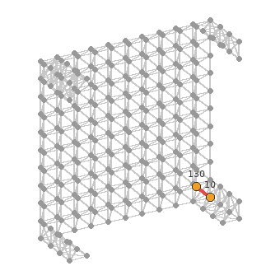
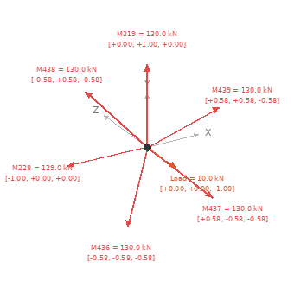
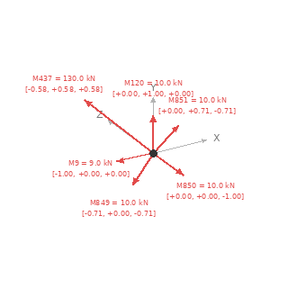

Member 762 (Node 211 → Node 110) L=2.598 m N=+211.00 kN [Tension]
Location in structure | End A — Node 211 | End B — Node 110
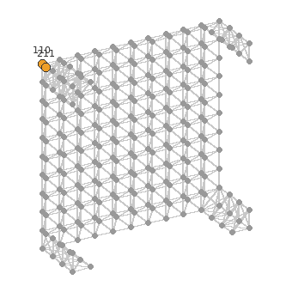
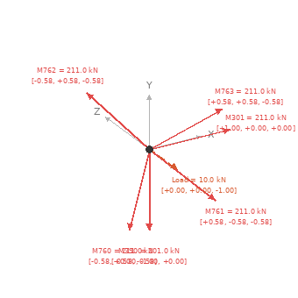
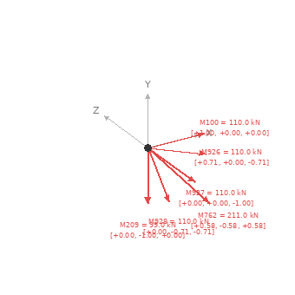

Member 799 (Node 220 → Node 120) L=2.598 m N=+220.00 kN [Tension]
Location in structure | End A — Node 220 | End B — Node 120

